Model Architecture
P' (output_sequence, vocab_size)
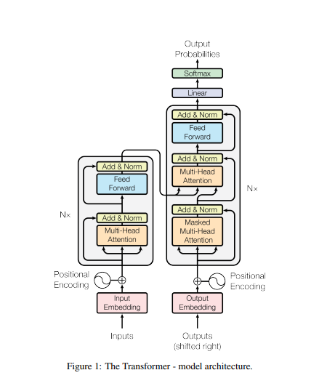
The output_sequence changes incrementally with each time step. Thus output_sequence = time_step.

E' cross matrix (output sequence, vocab_size)
D

Decoder Block (2 sublayers)
E' cross matrix (output sequence, dmodel)

Encoder Block (2 sublayers)
E' (input sequence, dmodel)

Cross Attention
Cn (output_sequence, dmodel)

D
"Masked" means we convert future tokens of a matrix into -inf so that during softmax, they will all be converted to virtually 0

"N" means, the encoder or decoder block runs a matrix "N" times. "N" determines how many layers basically.
e.g.
A' -> Layer 1 (Self-Attention, Feed Forward) -> Layer 2 (Self-Attention, Feed Forward)...

Residual Connection ("Add")

Input | Output Embedding
WMT 2014 English-to-German
(4.5 million English-German sentence pairs)
INPUT | OUTPUT SEQUENCE to INPUT | OUTPUT EMBEDDING
INPUT | OUTPUT EMBEDDING (sequence, dmodel)

INPUT SEQUENCE |  | 0 | 1 | 2 | 3 | … | 512
Your |  | 0.14118020452 | 0.63524349134 | 0.23360651577 | 0.21791186978 | 0.2802061667 | 0.8435127334
cat |  | 0.14898919612 | 0.59076922511 | 0.50547062492 | 0.81284294652 | 0.4594008729 | 0.30857079665
passed as a whole matrix to encoder
is |  | 0.77101475286 | 0.78752156212 | 0.68041976011 | 0.84701887121 | 0.60379184322 | 0.40161250375
English Vocabulary
(37, 000 tokens)
German Vocabulary
(37, 000 tokens)
a |  | 0.8251626162 | 0.81583301787 | 0.32798681402 | 0.83879174265 | 0.21733101384 | 0.59135543218
lovely |  | 0.43975143749 | 0.94046989731 | 0.47840303201 | 0.70569456055 | 0.23208443867 | 0.3186964603
cat |  | 0.46459988895 | 0.62404667538 | 0.3173767855 | 0.136130032 | 0.39253001851 | 0.31396732354

passed one-by-one to the decoder
OUTPUT SEQUENCE |  | 0 | 1 | 2 | 3 | … | 512
Ti |  | 0.15102030971 | 0.85431527933 | 0.80622701096 | 0.282741502 | 0.95233183717 | 0.5479991294
amo |  | 0.16579280103 | 0.54297134234 | 0.34195856906 | 0.14886245747 | 0.49437766998 | 0.57203661851
molto |  | 0.14276761959 | 0.69514214271 | 0.95347339011 | 0.81761646888 | 0.82838899973 | 0.49885215722
single embedding layer
<pad> |  | 0 | 0 | 0 | 0 | 0 | 0
<pad> |  | 0 | 0 | 0 | 0 | 0 | 0 | LOOKUP MATRIX |  | 0 | 1 | 2 | 3 | … | 512 | LOOKUP MATRIX |  | 0 | 1 | 2 | 3 | … | 512
<pad> |  | 0 | 0 | 0 | 0 | 0 | 0 |  | Your | 0.14118020452 | 0.63524349134 | 0.23360651577 | 0.21791186978 | 0.2802061667 | 0.8435127334 |  | Ti | 0.15102030971 | 0.85431527933 | 0.80622701096 | 0.282741502 | 0.95233183717 | 0.5479991294
 |  |  |  |  |  |  |  |  | cat | 0.14898919612 | 0.59076922511 | 0.50547062492 | 0.81284294652 | 0.4594008729 | 0.30857079665 |  | amo | 0.16579280103 | 0.54297134234 | 0.34195856906 | 0.14886245747 | 0.49437766998 | 0.57203661851
 |  |  |  |  |  |  |  |  | is | 0.77101475286 | 0.78752156212 | 0.68041976011 | 0.84701887121 | 0.60379184322 | 0.40161250375 |  | molto | 0.14276761959 | 0.69514214271 | 0.95347339011 | 0.81761646888 | 0.82838899973 | 0.49885215722
*applied to attention score before softmax* |  |  |  |  |  |  |  |  | a | 0.8251626162 | 0.81583301787 | 0.32798681402 | 0.83879174265 | 0.21733101384 | 0.59135543218 |  | ke | 0.85025032132 | 0.50403186756 | 0.36416147639 | 0.85038549362 | 0.43408694013 | 0.94694478408
 |  |  |  |  |  |  |  |  | lovely | 0.43975143749 | 0.94046989731 | 0.47840303201 | 0.70569456055 | 0.23208443867 | 0.3186964603 |  | qi | 0.12176500398 | 0.10454366112 | 0.70795048731 | 0.6622647115 | 0.69255261083 | 0.87452809288
PADDING MASK for INPUT SEQUENCE |  |  |  |  |  |  |  |  | cat | 0.46459988895 | 0.62404667538 | 0.3173767855 | 0.136130032 | 0.39253001851 | 0.31396732354 |  | re | 0.11473341913 | 0.3018303387 | 0.19104050637 | 0.73309289139 | 0.9986516473 | 0.95573080113
 |  |  |  |  |  |  |  |  | Token 7 | 0.10613992115 | 0.44100714937 | 0.47595833141 | 0.94183502701 | 0.93859860728 | 0.31483342677 |  | Token 7 | 0.46197645766 | 0.8354334906 | 0.49597309485 | 0.63794873716 | 0.72987503887 | 0.46589193774
 |  | Your | cat | is | a | lovely | cat |  | Token 8 | 0.47903203361 | 0.29063101007 | 0.49076126818 | 0.51561293512 | 0.17081416985 | 0.24060649378 |  | Token 8 | 0.94206117008 | 0.56870002552 | 0.16105663826 | 0.70187270845 | 0.48511034416 | 0.83641625106
 | Padding? | 0 | 0 | 0 | 0 | 0 | 0 |  | Token 37k | 0.3629445061 | 0.83020608522 | 0.75386060192 | 0.28430993619 | 0.20292349178 | 0.19732585375 |  | Token 37k | 0.22775453605 | 0.83667015297 | 0.50020485049 | 0.66720519683 | 0.74639984968 | 0.86384156073

PADDING MASK for OUTPUT SEQUENCE
During training, a dataset is converted into a lookup matrix of size (vocabsize, dmodel)
where:
vocabsize - size of the vocabulary ( in this case, 37, 000 each)
dmodel- size of the dimension model.a hymperparameter to decide how many features should an embedding / vector / array have. ( in this case, 512 each)
The values of the matrix are randomized and will automatically be optimized during training feed forward.
For example, in the original paper "Attention is all you need", the authors used the WMT 2014 English-to-German which generated an English and German Vocabulary of size 37,000 tokens each.
In the training, there were sentence pairs each with size English Sentence Input (sequence, dmodel) and German Sentence Outpt (sequence, dmodel). Each batch of training contains sentence pairs of approximately 25,000 tokens for the English Sentence Input and the German Sentence Output.
 |  | Ti | amo | molto | <pad> | <pad> | <pad>
 | Padding? | 0 | 0 | 0 | 1 | 1 | 1

the number of rows scales up the the seq_len as well. Since there are 6 tokens, there will be 6 rows with all the same values as the first row

+ Positional Embedding
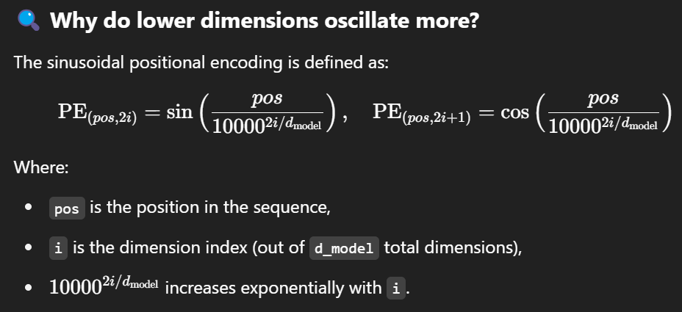
sin for any even-positioned "i" and cosine for any odd-positioned "i"
POSITION IDs to POSITION EMBEDDING
POSITION EMBEDDING (sequence, dmodel)

Position in sequence | 0 | 1 | 2 |  |  | 0 | 1 | 2 | 3 | … | 512
Sentence 1 | YOUR | CAT | IS | … | Your | 0.15601637996 | -0.51827229811 | -0.55896090784 | 0.67610507393 | 0.71913873342 | -0.68457327334
 |  |  |  |  | cat | -0.86096629593 | -0.12103108866 | -0.034416903744 | -0.81265193315 | -0.83965975172 | 0.6841543519
 | PE(0,0) | PE(1,0) | PE(2,0) |  | is | -0.35638133441 | 0.34732374284 | -0.33804880545 | -0.069666602285 | 0.71049053793 | 0.74760381402
 | PE(0,1) | PE(1,1) | PE(2,1) |  | a | 0.97264462933 | -0.56919170307 | -0.94965302342 | -0.7890582129 | -0.88767570848 | -0.56483539021
 | PE(0,2) | PE(1,2) | PE(2,2) |  | lovely | 0.030321370302 | 0.66543234057 | -0.76317094721 | -0.51425120068 | 0.6821307111 | -0.44701155521
 | … | … | … |  | cat | 0.066104081881 | 0.90383251427 | -0.84666591571 | -0.72827875441 | -0.50197383559 | -0.66656899624
 | PE(0, 510) | PE(1, 510) | PE(2, 510)
 | PE(0, 511) | PE(1, 511) | PE(2, 511)
where:
i = dimension postion
The PE or positional encoding is computed using the formula where sin is used for even-numbered position in the embedding and cos for odd-numbered position. The 512-embedding is only computed once even if there are new sentences and will change accordingly.
This is called the sinusodial encoding which means unlike other embeddings in this model, the positional embeddings are not randomized but manually computed to fixed values. Meaning, they are not learnable parameters.
Position in sequence | 0 | 1 | 2
Sentence 2 | I | LOVE | YOU

 | PE(0,0) | PE(1,0) | PE(2,0)
 | PE(0,1) | PE(1,1) | PE(2,1)
 | PE(0,2) | PE(1,2) | PE(2,2)
 | … | … | …
 | PE(0, 510) | PE(1, 510) | PE(2, 510)
 | PE(0, 511) | PE(1, 511) | PE(2, 511) |  | IMPLEMENTATION
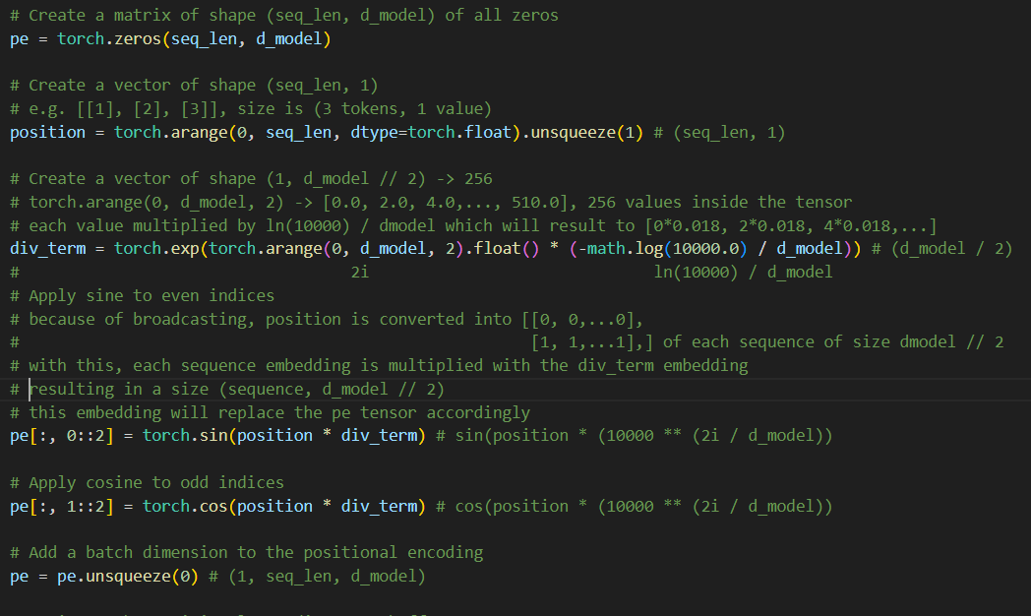

We know that the positional embeddings optimizes automatically due to backpropagation and SGD. Thus, when we add the input embedding and the positional embedding, we match the sizes by not getting all the positional embeddings in the tensor

-> Q, K, V
INPUT EMBEDDING + POSITIONAL EMBEDDING = ENCODER INPUT |  |  |  |  |  |  |  |  |  |  |  |  |  |  |  |  |  |  |  | ENCODER INPUT to Q, K, V MATRIX
ENCODER INPUT (sequence, dmodel) |  |  |  |  |  |  |  |  |  |  |  |  |  |  |  |  |  |  |  | Q, K, V MATRIX (sequence, dmodel)

(See colored cells)
Your dot 1 is the dot product, where each column in the 1st matrix is multiplied with each row in the 2nd matrix, and then summed up.
e.g.
Y dot 1 = [Your][1] x [1][1] +
[Your][2] x [2][2] ....
 |  |  |  |  |  |  |  |  |  |  | WQ (dmodel, dmodel) |  |  |  |  |  |  |  |  | Q' (sequence, dmodel)
 |  | 0 | 1 | 2 | 3 | … | 512 |  |  |  | 0 | 1 | 2 | 3 | … | 512 |  |  |  | 0 | 1 | 2 | 3 | … | 512
E1 | Your | 0.29719658448 | 0.11697119324 | -0.32535439207 | 0.89401694371 | 0.99934490012 | 0.15893946006 |  | WQ | 0 | -0.02754376946 | -0.029139930924 | -0.0074476125629 | -0.029098820172 | -0.027409316217 | -0.00043930930909 |  | Q1 | Your | -0.058181972997 | -0.0093861733105 | -0.015113051091 | -0.035967855303 | 0.075327754915 | -0.052112472146
E2 | cat | -0.7119770998 | 0.46973813645 | 0.47105372117 | 0.00019101336937 | -0.38025887882 | 0.99272514855 |  | WQ | 1 | -0.010373447772 | 0.038496038574 | -0.0028918836486 | -0.038974960675 | -0.014562591221 | -0.025099024451 |  | Q2 | cat | -0.00047279136939 | 0.012374959834 | 0.0025287970468 | 0.020086796397 | -0.0047573382672 | -0.034995153526
E3 | is | 0.41463341845 | 1.134845305 | 0.34237095467 | 0.77735226893 | 1.3142823811 | 1.1492163178 | x | WQ | 2 | -0.026020752298 | -0.021929717804 | 0.00022894894417 | -0.034893482945 | -0.021614759217 | 0.015342177483 | = | Q3 | is | -0.10027716392 | 0.010866378099 | -0.03320900379 | -0.086265790362 | 0.057116858722 | -0.10001077963
E4 | a | 1.7978072455 | 0.2466413148 | -0.6216662094 | 0.049733529752 | -0.67034469464 | 0.026520041966 |  | WQ | 3 | -0.041576119754 | -0.03079256829 | 0.0069693050013 | -0.011356660808 | 0.043339340533 | -0.033819793133 |  | Q4 | a | -0.025837934066 | -0.042272540148 | -0.0024359202768 | -0.021567193072 | -0.062726178086 | -0.013480719187
E5 | lovely | 0.47007280779 | 1.6059022379 | -0.2847679152 | 0.19144335987 | 0.91421514978 | -0.12831509491 |  | WQ | … | -0.018493513534 | 0.016738008698 | -0.017424106845 | -0.027751305036 | 0.038256567386 | -0.0083921485392 |  | Q5 | lovely | -0.045773291467 | 0.065035773378 | -0.021751903639 | -0.09692250393 | 0.012214299562 | -0.054643256102
E6 | cat | 0.53070397083 | 1.5278791896 | -0.52928913021 | -0.59214872241 | -0.10944381707 | -0.3526016727 |  | WQ | 512 | -0.010050847796 | -0.0098258090053 | -0.0082098799834 | 0.023735998181 | 0.0073427116536 | -0.034178323706 |  | Q6 | cat | 0.013492731205 | 0.074826285534 | -0.007817193469 | -0.055130461229 | -0.057794988223 | -0.013705717935
where:
En = Embedding / Vector / Array
1. The learned weights (Q, K, V) are the gold source of the model. It is learned in the training. It's size is (dmodel, dmodel). The other "dmodel" at the y-axis refers to the context-length of the model. The transformer architecture features a context-length of 512 tokens.
2. Each embedding (E) is transformed to three embeddings of (Q, K, V)
Attention(Q, K, V Matrix(size (sequence, dmodel))) where:
Q' = Encoder Input x WQ
K' = Encoder Input x WK
V' = Encoder Input x WV
 |  |  |  |  |  |  |  |  |  |  | WK (dmodel, dmodel) |  |  |  |  |  |  |  |  | K' (sequence, dmodel)
 |  |  |  |  |  |  |  |  |  |  | 0 | 1 | 2 | 3 | … | 512 |  |  |  | 0 | 1 | 2 | 3 | … | 512
 |  |  |  |  |  |  |  |  | WK | 0 | -0.037263665913 | -0.0096655213453 | -0.035281500843 | -0.040103667102 | 0.022838968445 | -0.00034138899765 |  | K1 | Your | -0.070505018423 | 0.0053230146094 | -0.01412758307 | -0.039769461752 | 0.050218444672 | 0.03688779314
 |  |  |  |  |  |  |  |  | WK | 1 | -0.037176989678 | -0.003477215062 | -0.011402822055 | -0.028494367475 | 0.033781542866 | 0.041657687499 |  | K2 | cat | 0.0459497874 | -0.022812019949 | 0.0033196118004 | -0.0027507388203 | 0.0080520461173 | 0.045339153076
 |  |  |  |  |  |  |  | x | WK | 2 | -0.0015303040346 | 0.018270433306 | -0.039403508801 | -0.013400094264 | -0.022702132101 | -0.0097135270784 | = | K3 | is | -0.092089902743 | -0.0063552640693 | -0.038343380885 | -0.10790443628 | 0.11382865257 | 0.10672109604
 |  |  |  |  |  |  |  |  | WK | 3 | -0.034860654839 | -0.0057004147001 | -0.036825560089 | -0.0054064164407 | -0.0051286281318 | 0.016912954697 |  | K4 | a | -0.056988470965 | -0.04674218435 | -0.054389074568 | -0.057560186422 | 0.042830524672 | 0.011730129459
 |  |  |  |  |  |  |  |  | WK | … | -0.028706259569 | 0.024063972299 | 0.016462701519 | -0.020925751088 | 0.031704444801 | 0.0085043385494 |  | K5 | lovely | -0.11315135602 | 0.009134404259 | -0.016759152335 | -0.078431965445 | 0.095421367091 | 0.076207852022
 |  |  |  |  |  |  |  |  | WK | 512 | 0.026889683098 | -0.027716631271 | 0.008446067466 | -0.019706105007 | 0.031423793143 | 0.033578377861 |  | K6 | cat | -0.061464883431 | -0.0095978659952 | 0.0017360517334 | -0.045286599976 | 0.064237812449 | 0.045822477633

 |  |  |  |  |  |  |  |  |  |  | WV (dmodel, dmodel) |  |  |  |  |  |  |  |  | V' (sequence, dmodel)
 |  |  |  |  |  |  |  |  |  |  | 0 | 1 | 2 | 3 | … | 512 |  |  |  | 0 | 1 | 2 | 3 | … | 512
 |  |  |  |  |  |  |  |  | WV | 0 | 0.038520546221 | 0.034428773258 | 0.011175878222 | 0.0019413093977 | -0.039191292226 | -0.0020322541546 |  | V1 | Your | 0.027268262323 | 0.020527229695 | -0.0054130145633 | -0.054522073052 | -0.025986130143 | 0.032659716605
Ei = (Q'i, K'i, V'i)
where i is a word / token
 |  |  |  |  |  |  |  |  | WV | 1 | -0.013341187734 | -0.029076951587 | 0.014455334777 | 0.015708777886 | 0.0015223742577 | 0.026182415751 |  | V2 | cat | -0.045981931569 | -0.029249847548 | 0.053768762236 | 0.045185870346 | 0.093422466592 | 0.023012742763
 |  |  |  |  |  |  |  | x | WV | 2 | -0.031508168442 | 0.013164098271 | 0.019275759918 | -0.0091894589034 | 0.031669293311 | 0.0076810878043 | = | V3 | is | 0.0008997574397 | 0.017827019092 | 0.066290820868 | -0.022929867031 | 0.017138595423 | 0.099856386812
 |  |  |  |  |  |  |  |  | WV | 3 | 0.0045866429475 | 0.00019689346568 | -0.0065385863672 | -0.031190445684 | 0.023841799592 | -0.013101618459 |  | V4 | a | 0.084214313105 | 0.035808880428 | 0.01609236016 | 0.036979651972 | -0.06638359609 | -0.029563677127
 |  |  |  |  |  |  |  |  | WV | … | 0.0024713636142 | 0.016381170861 | -0.0053291635515 | -0.036793922306 | -0.031610395246 | 0.041036973686 |  | V5 | lovely | 0.0083414655067 | -0.020402555324 | 0.011189128489 | -0.014669818519 | -0.054224516605 | 0.071164728299
 |  |  |  |  |  |  |  |  | WV | 512 | 0.0035171887409 | 0.0090148358093 | 0.044151574489 | 0.029748916037 | 0.038138875403 | 0.021411683171 |  | V6 | cat | 0.012509597941 | -0.03821025094 | 0.0067017784817 | 0.041901988453 | -0.059341343285 | 0.030576594817

Embedding / Vector / Array vs. List
- A list is a collection of values that can contain different data types. Vectors, on the other hand can only contain one data type. For this one, each embedding / vector is a collection of float values for each word / token
the weights are initilized with a
uniform distribution values [0, 1] with
lower range -1/SQRT(d_model)
upper range 1/SQRT(512)
 |  |  |  |  |  |  |  |  |  |  | lower | upper
 |  |  |  |  |  |  |  |  |  |  | -0.0442 | 0.044194173824

-> Self - Attention
where:
dmodel = 512
sequence = number of tokens ("words")
Input Matrix (sequence, dmodel) = Input Embeddings + Position Embeddings = Encoder Input
Self - Attention (Single Head)
Q, K, V MATRIX (sequence, dmodel)
 |  |  |  |  |  |  |  |  |  |  |  |  |  |  |  |  |  |  |  | Q, K MATRIX to ATTENTION SCORE MATRIX
 |  |  |  |  |  |  |  |  |  |  |  |  |  |  |  |  |  |  |  | ATTENTION SCORE MATRIX |  |  |  |  |  |  |  |  |  |  |  |  |  |  |  |  |  | ATTENTION SCORE MATRIX to ATTENTION OUTPUT MATRIX
 |  | "meaning and positional meaning" |  |  |  |  |  |  |  |  |  |  |  |  |  |  |  |  |  | A's (sequence, sequence) |  |  |  |  |  |  |  |  |  |  |  |  |  |  |  |  |  | ATTENTION OUTPUT MATRIX
 |  | Q' (sequence, dmodel) |  |  |  |  |  |  |  |  | K'T (sequence, dmodel) |  |  |  |  |  |  |  |  |  |  |  |  |  |  |  |  |  | V' (sequence, dmodel) |  |  |  |  |  |  |  |  | A' (sequence, dmodel)
 |  |  | 0 | 1 | 2 | 3 | … | 512 |  |  | Your | cat | is | a | lovely | cat |  |  |  | Your | cat | is | a | lovely | cat |  |  |  | 0 | 1 | 2 | 3 | … | 512 |  |  |  | 0 | 1 | 2 | 3 | … | 512
 | Q1 | Your | -0.058181972997 | -0.0093861733105 | -0.015113051091 | -0.035967855303 | 0.075327754915 | -0.052112472146 |  | 0 | -0.070505018423 | 0.0459497874 | -0.092089902743 | -0.056988470965 | -0.11315135602 | -0.061464883431 |  | Q1 x K1 | Your | 0.00033395858093 | -0.00018414633007 | 0.0005697140407 | 0.00040931647049 | 0.00056517459937 | 0.0003411714144 |  | V1 | Your | 0.027268262323 | 0.020527229695 | -0.0054130145633 | -0.054522073052 | -0.025986130143 | 0.032659716605 |  | A1 (Q1, K1, V1) | Your | 0.014547233277 | -0.0022803989262 | 0.024770113386 | 0.0053194115408 | -0.015906056648 | 0.037955227526
 | Q2 | cat | -0.00047279136939 | 0.012374959834 | 0.0025287970468 | 0.020086796397 | -0.0047573382672 | -0.034995153526 |  | 1 | 0.0053230146094 | -0.022812019949 | -0.0063552640693 | -0.04674218435 | 0.009134404259 | -0.0095978659952 |  | Q2 X K2 | cat | -0.00010010690695 | -8.7320542578E-05 | -0.00029061056515 | -0.00010869489207 | -0.00020206238071 | -0.00012834657061 |  | V2 | cat | -0.045981931569 | -0.029249847548 | 0.053768762236 | 0.045185870346 | 0.093422466592 | 0.023012742763 |  | … | cat | 0.01454223013 | -0.0022835275864 | 0.02477071115 | 0.0053253963065 | -0.015895641793 | 0.037948651708
softmax | Q3 | is | -0.10027716392 | 0.010866378099 | -0.03320900379 | -0.086265790362 | 0.057116858722 | -0.10001077963 | x | 2 | -0.01412758307 | 0.0033196118004 | -0.038343380885 | -0.054389074568 | -0.016759152335 | 0.0017360517334 | = | Q3 X K3 | is | 0.0004510870617 | -0.00038904313324 | 0.00068834801523 | 0.000585644026 | 0.00073348483642 | 0.00039750813305 | x | V3 | is | 0.0008997574397 | 0.017827019092 | 0.066290820868 | -0.022929867031 | 0.017138595423 | 0.099856386812 | = | … | is | 0.014551131592 | -0.002278362055 | 0.024768549974 | 0.0053170373475 | -0.015912297345 | 0.037955736386
 | Q4 | a | -0.025837934066 | -0.042272540148 | -0.0024359202768 | -0.021567193072 | -0.062726178086 | -0.013480719187 |  | 3 | -0.039769461752 | -0.0027507388203 | -0.10790443628 | -0.057560186422 | -0.078431965445 | -0.045286599976 |  | Q4 X K4 | a | -5.1197584325E-05 | -5.6920531941E-05 | -0.0001551237704 | 8.7396127633E-05 | -0.00012122065069 | -7.4280890053E-05 |  | V4 | a | 0.084214313105 | 0.035808880428 | 0.01609236016 | 0.036979651972 | -0.06638359609 | -0.029563677127 |  | … | a | 0.014543894475 | -0.00228234706 | 0.024770920026 | 0.0053255672558 | -0.015896982314 | 0.037948105173
 | Q5 | lovely | -0.045773291467 | 0.065035773378 | -0.021751903639 | -0.09692250393 | 0.012214299562 | -0.054643256102 |  | … | 0.050218444672 | 0.0080520461173 | 0.11382865257 | 0.042830524672 | 0.095421367091 | 0.064237812449 |  | Q5 X K5 | lovely | 0.00027988191353 | -0.00025507103189 | 0.00047080482945 | 0.00027456741872 | 0.00047468957584 | 0.00021308239137 |  | V5 | lovely | 0.0083414655067 | -0.020402555324 | 0.011189128489 | -0.014669818519 | -0.054224516605 | 0.071164728299 |  | … | lovely | 0.014546631193 | -0.0022804324715 | 0.02477014367 | 0.0053187551317 | -0.015905163356 | 0.037955604152
 | Q6 | cat | 0.013492731205 | 0.074826285534 | -0.007817193469 | -0.055130461229 | -0.057794988223 | -0.013705717935 |  | 512 | 0.03688779314 | 0.045339153076 | 0.10672109604 | 0.011730129459 | 0.076207852022 | 0.045822477633 |  | Q6 X K6 | cat | -7.3274167278E-05 | -9.0510759138E-05 | -0.00015516313753 | -0.00014602391973 | -0.00013026619152 | -0.00015048360527 |  | V6 | cat | 0.012509597941 | -0.03821025094 | 0.0067017784817 | 0.041901988453 | -0.059341343285 | 0.030576594817 |  | An(Qn, Kn, Vn) | cat | 0.014541511124 | -0.0022832785346 | 0.024771456093 | 0.0053238985316 | -0.015894983612 | 0.037950878073
(See colored cells)
Your dot 0 is the dot product, where each column in the 1st matrix is multiplied with each row in the 2nd matrix, and then summed up.
e.g.
Your dot 0 = [Your][Your] x [Your][0] +
[Your][cat] x [cat][0] ....
(See colored cells)
Your dot Your is the dot product, where each column in the 1st matrix is multiplied with each row in the 2nd matrix, and then summed up.
e.g.
Your dot Your = [Your][0] x [0][Your] +
[Your][1] x [1][Your] ....
 |  |  |  |  |  |  |  |  |  |  | K1 | K2 | K3 | K4 | K5 | K6
 |  |  |  |  |  |  |  | 512 (dmodel) |  |  |  |  |  |  |  |  |  |  |  |  |  |  |  |  |  |  |  |  | 0 | 1 | 2 | 3 | … | 512
 |  |  |  |  |  |  |  |  |  |  |  |  |  |  |  |  |  |  |  |  |  |  |  |  |  |  |  |  | 0.0045446864299 | 0.0034211869145 | -0.00090216433814 | -0.0090869642736 | -0.0043309988597 | 0.0054432574068
 |  |  |  |  |  |  |  |  |  |  |  |  |  |  |  |  |  |  |  |  |  |  |  |  |  |  |  |  | -0.0076596453349 | -0.0048724238123 | 0.0089567713831 | 0.0075270378862 | 0.015562264046 | 0.0038334502647
 |  |  |  |  |  |  |  |  |  |  |  |  |  |  |  |  |  |  |  |  |  |  |  |  |  | = |  |  | 0.00014999414055 | 0.0029718547346 | 0.011051016934 | -0.0038225254345 | 0.0028570910084 | 0.016646567461
 |  |  |  |  |  |  |  |  |  |  |  |  |  |  |  |  |  |  |  |  |  |  |  |  |  |  |  |  | 0.014036702599 | 0.0059685650388 | 0.0026822480092 | 0.0061637073057 | -0.01106470814 | -0.0049276248687
 |  |  |  |  |  |  |  |  |  |  |  |  |  |  |  |  |  |  |  |  |  |  |  |  |  |  |  |  | 0.0013905584047 | -0.0034011942818 | 0.0018652761496 | -0.0024455222432 | -0.0090394616205 | 0.011863468233
 |  |  |  |  |  |  |  |  |  |  |  |  |  |  |  |  |  |  |  |  |  |  |  |  |  |  |  |  | 0.0020849370378 | -0.00636838752 | 0.0011169652487 | 0.0069836783001 | -0.0098902430814 | 0.0050961090296

Each row in this matrix captures not only the meaning (given by the embedding) or the position in the sentence (represented by the positional encodings) but also each word’s interaction with other words. This is because Attention Output is the weighted sum of V (Value).
 |  |  |  |  |  |  |  |  |  |  |  |  |  |  |  |  |  |  |  |  |  |  |  |  |  |  |  |  | 0 | 1 | 2 | 3 | … | 512
 |  |  |  |  |  |  |  |  |  |  |  |  |  |  |  |  |  |  |  |  | apply softmax to get ATTENTION WEIGHTS |  |  |  |  |  |  | Your | 0.014547233277 | -0.0022803989262
 |  |  |  |  |  |  |  |  |  |  |  |  |  |  |  |  |  | Sum |  | Your | cat | is | a | lovely | cat |  |  | cat
before softmax, the output is applied with masked_fill where the [PAD] tokens are converted to -inf. This waym they will get converted to 0's
 |  |  |  |  |  |  |  |  |  |  |  |  |  |  |  |  |  | 6.0020357255 | Your | 1.0003340144 | 0.99981587062 | 1.0005698764 | 1.0004094003 | 1.0005653343 | 1.0003412296 |  |  | is
 |  |  |  |  |  |  |  |  |  |  |  |  |  |  |  |  |  | 5.9990829437 | cat | 0.9998998981 | 0.99991268327 | 0.99970943166 | 0.99989131102 | 0.99979795803 | 0.99987166167 |  |  | a
 |  |  |  |  |  |  |  |  |  |  |  |  |  |  |  |  |  | 6.0024679629 | is | 1.0004511888 | 0.99961103253 | 1.000688585 | 1.0005858155 | 1.0007337539 | 1.0003975871 |  |  | lovely
where:
h = number of heads
d_k = d_model // head
sqrt(d_k) = is a scaling factor to avoid exploding gradients
 |  |  |  |  |  |  |  |  |  |  |  |  |  |  |  |  |  | 5.9996286816 | a | 0.99994880373 | 0.99994308109 | 0.99984488826 | 1.0000873999 | 0.9998787867 | 0.99992572187 |  |  | cat
 |  |  |  |  |  |  |  |  |  |  |  |  |  |  |  |  |  | 6.0014583107 | lovely | 1.0002799211 | 0.9997449615 | 1.0004709157 | 1.0002746051 | 1.0004748023 | 1.0002131051
 |  |  |  |  |  |  |  |  |  |  |  |  |  |  |  |  |  | 5.9992543275 | cat | 0.99992672852 | 0.99990949334 | 0.9998448489 | 0.99985398674 | 0.99986974229 | 0.99984952772

Each row must sum up to one due to softmax. Basically, these "weights" indicates how much each word shoud pay attention to the other words. For example, how much % should Q (Query) "Your" should pay attention to Q (Query) "cat"? The answer is the softmax(Q * K^T)
 |  |  |  |  |  |  |  |  |  |  |  |  |  |  |  |  |  | Sum |  | Your | cat | is | a | lovely | cat
 |  |  |  |  |  |  |  |  |  |  |  |  |  |  |  |  |  | 1 | Your | 16.67% | 16.66% | 16.67% | 16.67% | 16.67% | 16.67%
 |  |  |  |  |  |  |  |  |  |  |  |  |  |  |  |  |  | 1 | cat | 16.67% | 16.67% | 16.66% | 16.67% | 16.67% | 16.67%
 |  |  |  |  |  |  |  |  |  |  |  |  |  |  |  |  |  | 1 | is | 16.67% | 16.65% | 16.67% | 16.67% | 16.67% | 16.67%
 |  |  |  |  |  |  |  |  |  |  |  |  |  |  |  |  |  | 1 | a | 16.67% | 16.67% | 16.67% | 16.67% | 16.67% | 16.67%
 |  |  |  |  |  |  |  |  |  |  |  |  |  |  |  |  |  | 1 | lovely | 16.67% | 16.66% | 16.67% | 16.67% | 16.67% | 16.67%
 |  |  |  |  |  |  |  |  |  |  |  |  |  |  |  |  |  | 1 | cat | 16.67% | 16.67% | 16.67% | 16.67% | 16.67% | 16.67%

-> Add & Norm
Normalization

 |  | ATTENTION OUTPUT MATRIX |  |  |  |  |  |  |  |  |  |  | ATTENTION OUTPUT MATRIX
 |  | A' (sequence, dmodel) |  |  |  |  |  |  |  |  |  |  | A' (sequence, dmodel)
 |  | 0 | 1 | 2 | 3 | … | 512 |  |  |  |  |  | 0 | 1 | 2 | 3 | … | 512 | Mean | Std. Dev
A1 (Q1, K1, V1) | Your | 0.014547233277 | -0.0022803989262 | 0.024770113386 | 0.0053194115408 | -0.015906056648 | 0.037955227526 |  |  |  | A1 (Q1, K1, V1) | Your | 0.19764412642 | -0.67460912226 | 0.72754282392 | -0.28067613816 | -1.3808893683 | 1.4109876784 | 0.010734255026 | 0.019292140475
and then apply this formula where:
xj is each value in the embedding. x-hatj will be the new value.
… | cat | 0.01454223013 | -0.0022835275864 | 0.02477071115 | 0.0053253963065 | -0.015895641793 | 0.037948651708 |  |  |  | … | cat | 0.19741367731 | -0.67495747368 | 0.72773343534 | -0.28045484229 | -1.3807096863 | 1.4109748897 | 0.010734636653 | 0.019287384386
get mean and std of each embedding
… | is | 0.014551131592 | -0.002278362055 | 0.024768549974 | 0.0053170373475 | -0.015912297345 | 0.037955736386 |  |  |  | … | is | 0.19786150676 | -0.67441351445 | 0.72743173757 | -0.28074289585 | -1.3810622968 | 1.4109254628 | 0.01073363265 | 0.019293792942
… | a | 0.014543894475 | -0.00228234706 | 0.024770920026 | 0.0053255672558 | -0.015896982314 | 0.037948105173 |  |  |  | … | a | 0.19748694471 | -0.67490281662 | 0.72772730539 | -0.28045545649 | -1.3807805003 | 1.4109245234 | 0.010734859593 | 0.019287527525
… | lovely | 0.014546631193 | -0.0022804324715 | 0.02477014367 | 0.0053187551317 | -0.015905163356 | 0.037955604152 |  |  |  | … | lovely | 0.1976140603 | -0.67461507309 | 0.72754878959 | -0.28071195668 | -1.3808516126 | 1.4110157924 | 0.010734256387 | 0.019292022039
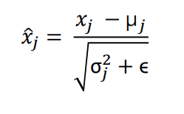
An(Qn, Kn, Vn) | cat | 0.014541511124 | -0.0022832785346 | 0.024771456093 | 0.0053238985316 | -0.015894983612 | 0.037950878073 |  |  |  | An(Qn, Kn, Vn) | cat | 0.19735613522 | -0.67493872995 | 0.7277359289 | -0.28053846534 | -1.3806486191 | 1.4110337503 | 0.010734913613 | 0.019287961365

 |  |  |  |  | or |  |  | each | = | norm |  |  | FEED FORWARD MATRIX
 |  |  |  |  |  |  |  |  |  |  |  |  | E' (sequence, dmodel)
 |  | FEED FORWARD MATRIX |  |  |  |  |  |  |  |  |  |  | 0 | 1 | 2 | 3 | … | 512 | Mean | Std. Dev
 |  | E' (sequence, dmodel) |  |  |  |  |  |  |  |  | E1 | Your | -1.1144486686 | 0.10465564656 | 0.81478035827 | -0.51087140057 | 1.4871947783 | -0.78131071404 | 0.44495502097 | 0.36739531234
 |  | 0 | 1 | 2 | 3 | … | 512 |  |  |  | … | cat | -0.67561700631 | -0.5797780219 | -1.3760578086 | 0.93832511111 | 0.85244823021 | 0.84067949549 | 0.70003139988 | 0.29624687145
E1 | Your | 0.035511804286 | 0.48340501492 | 0.74430150519 | 0.25726326319 | 0.99134341108 | 0.15790512714 |  |  |  | … | is | 0.2386908245 | 0.45494391033 | -1.1105896503 | -1.2337503814 | 1.3812705225 | 0.26943477436 | 0.51978473573 | 0.29205639447
… | cat | 0.49988197546 | 0.52827397475 | 0.29237857914 | 0.97800727845 | 0.95256652115 | 0.94908007031 |  |  |  | … | a | 0.53006595675 | 1.331584315 | 0.44102104769 | -1.5657773358 | -0.48729288436 | -0.24960109925 | 0.53632920212 | 0.26166072209
… | is | 0.58949591733 | 0.65265401387 | 0.19542992673 | 0.15946004767 | 0.92319362432 | 0.59847488448 |  |  |  | … | lovely | 0.060155932371 | -1.3333699363 | 1.6507410803 | -0.0072099529281 | 0.2757863336 | -0.64610345709 | 0.39860539683 | 0.27410332003
… | a | 0.67502664311 | 0.88475251549 | 0.65172708791 | 0.12662677381 | 0.40882379413 | 0.47101839825 |  |  |  | En | cat | -1.6266941487 | 0.55703235046 | 0.67495748438 | -0.4858563073 | -0.25407681877 | 1.13463744 | 0.23715210676 | 0.11538971323
… | lovely | 0.41509433761 | 0.033124270464 | 0.85107900745 | 0.39662912479 | 0.47419934648 | 0.22150629416
En | cat | 0.049448335428 | 0.30142790994 | 0.31503525732 | 0.18108928679 | 0.2078342555 | 0.36807759557

 |  | CROSS ATTENTION MATRIX
 |  | Cn (output_sequence, dmodel)
 |  | 0 | 1 | 2 | 3 | … | 512
C1 | y - hat | 0.186532114 | 1.3377202943 | 1.5505285161 | 0.54000476518 | 1.9436752482 | 0.70590425655

-> Cross Attention
CROSS ATTENTION
Cross attention is the the sum of FEED FORWARD MATRIX of the ENCODER and the ATTENTION OUTPUT EMBEDDING of the FIRST TOKEN PASSED IN THE DECODER - I will call it cross attention embedding
Cn (output_sequence, dmodel) = E' (input_sequence, dmodel) + An (1, dmodel)
where Cn is the cross attention embedding. Cn grows in size incrementally as new words or tokens are passed into the decoder. For example, at time step 1, a word is passed, thus the size is (1, dmodel). At time step two, a new word is added, thus the size is (2, dmodel).

 |  |  |  |  |  |  |  |  |  |  |  |  |  |  |  |  |  |  | at time step 1

 | FEED FORWARD MATRIX (from the encoder) |  |  |  |  |  |  |  |  | ATTENTION OUTPUT EMBEDDING (from the decoder) |  |  |  |  |  |  |  |  | CROSS ATTENTION MATRIX
 | E' (input_sequence, dmodel) |  |  |  |  |  |  |  |  | An (1, dmodel) |  |  |  |  |  |  |  |  | Cn (output_sequence, dmodel)
 |  |  | 0 | 1 | 2 | 3 | … | 512 |  |  |  | 0 | 1 | 2 | 3 | … | 512 |  |  |  | 0 | 1 | 2 | 3 | … | 512
 | E1 | Your | 0.035511804286 | 0.48340501492 | 0.74430150519 | 0.25726326319 | 0.99134341108 | 0.15790512714 |  | A1 (Q1, K1, V1) | <SOS> | 0.15102030971 | 0.85431527933 | 0.80622701096 | 0.282741502 | 0.95233183717 | 0.5479991294 |  | C1 | y - hat | 0.186532114 | 1.3377202943 | 1.5505285161 | 0.54000476518 | 1.9436752482 | 0.70590425655
 | … | cat | 0.49988197546 | 0.52827397475 | 0.29237857914 | 0.97800727845 | 0.95256652115 | 0.94908007031
 | … | is | 0.58949591733 | 0.65265401387 | 0.19542992673 | 0.15946004767 | 0.92319362432 | 0.59847488448 | + |  |  |  |  |  |  |  |  | =
 | … | a | 0.67502664311 | 0.88475251549 | 0.65172708791 | 0.12662677381 | 0.40882379413 | 0.47101839825
 | … | lovely | 0.41509433761 | 0.033124270464 | 0.85107900745 | 0.39662912479 | 0.47419934648 | 0.22150629416
 | En | cat | 0.049448335428 | 0.30142790994 | 0.31503525732 | 0.18108928679 | 0.2078342555 | 0.36807759557

Cross Attention(Qdecoder, Kencoder, Vencoder Matrix(size (sequence, dmodel)))
where:
Qdecoder = Decoder Input x WQ
Kencoder = Encoder Output x WK
Vencoder = Encoder Output x WV
So basically, Q (Query) follows the size of the decoder. For example, at time step 1, decoder output is 1 x 512 thus Q (Query) will be 1 x 512. Get the scaled dot product (Q * K^T), the size is 1 X 6 (assuming that the encoder output has 6 tokens). In simple terms, this the score of the decoder token (in this time step, <SOS>) to each of the tokes in the encoder output. Applied softmax to get the % and then multiplied with V (Values) to get weighted sum of single token <SOS>

-> Feed Forward
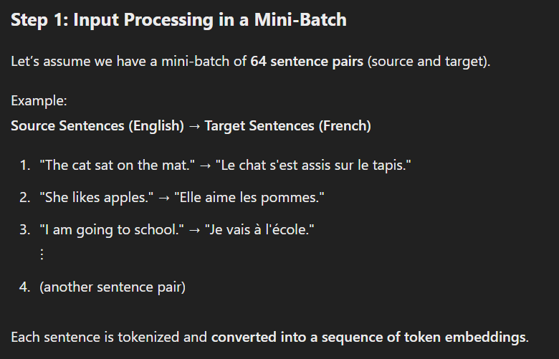
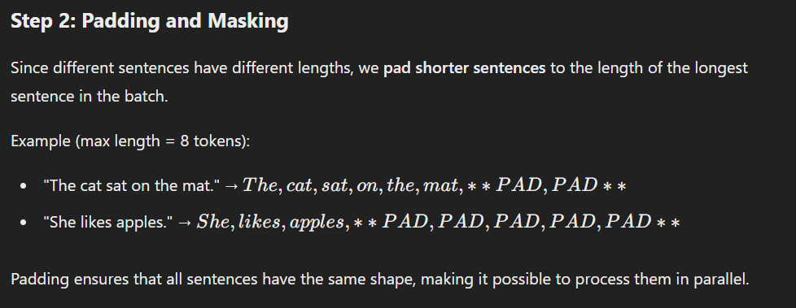
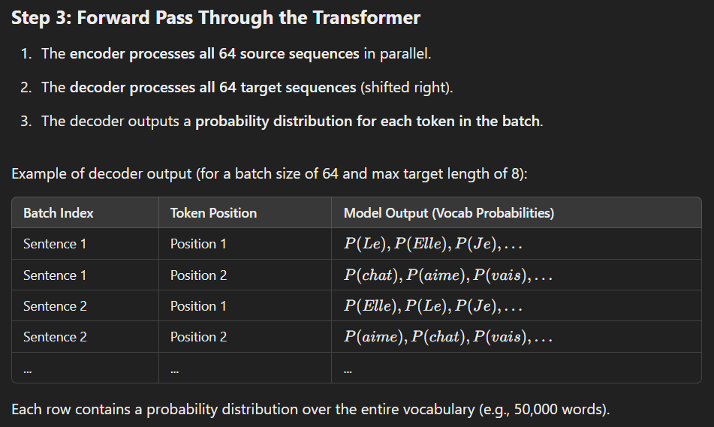
In the paper, there are 6 layers in the neural network. Each layer has sublayers: Multihead Attention Layer (w/ Layer Normalization), Position-Wise Fully Connected Feed-Forward Network (w/ Layer Normalization)
Each embedding in the Attention Output Matrix - A1 (Q1, K1, V1) to An (Qn, Kn, Vn)
FEED FORWARD MATRIX (sequence, dmodel)

 | Feed Forward for A1 (Q1, K1, V1) |  |  |  |  |  |  | Hidden Layers
 |  |  |  | Input Layer |  |  |  | Layer 1 |  | Layer n |  | Output Layer

x (weight)
+ bias
x (weight)
+ bias
=
 |  |  |  | 1 | 0.19764412642 |  |  | 1 | 0.79194814521 | 1 | 0.22457281154 | 1 | 0.36110248045
 |  |  |  | 2 | -0.67460912226 |  |  | 2 | 0.52538971625 | 2 | 0.3973143602 | 2 | 0.52825562341
 | Attention Output 1 |  |  | 3 | 0.72754282392 |  |  | 3 | 0.17727305359 | 3 | 0.48335033374 | 3 | 0.75009541587
 | 512 (dmodel) |  |  | 4 | -0.28067613816 |  |  | 4 | 0.38647567033 | 4 | 0.60329769576 | 4 | 0.064943238394
 |  |  |  | … | -1.3808893683 |  |  | … | 0.73455245224 | … | 0.10045869854 | … | 0.12356948417 |  |  |  | 1 | 2 | 3 | 4 | … | 512
 |  |  |  | 512 | 1.4109876784 |  |  | 2048 | 0.95272145445 | 2048 | 0.87231755694 | 512 | 0.40393338575 |  | E1 | Your | 0.035511804286 | 0.48340501492 | 0.74430150519 | 0.25726326319 | 0.99134341108 | 0.15790512714
 |  |  |  |  |  |  |  |  |  |  |  |  |  |  | … | cat | 0.49988197546 | 0.52827397475 | 0.29237857914 | 0.97800727845 | 0.95256652115 | 0.94908007031
 |  |  |  |  |  |  |  |  |  |  |  |  |  |  | … | is | 0.58949591733 | 0.65265401387 | 0.19542992673 | 0.15946004767 | 0.92319362432 | 0.59847488448
 |  |  |  |  |  |  |  |  |  |  |  |  |  | = | … | a | 0.67502664311 | 0.88475251549 | 0.65172708791 | 0.12662677381 | 0.40882379413 | 0.47101839825
 |  |  |  |  |  |  |  |  |  |  |  |  |  |  | … | lovely | 0.41509433761 | 0.033124270464 | 0.85107900745 | 0.39662912479 | 0.47419934648 | 0.22150629416
 | Feed Forward for An (Qn, Kn, Vn) |  |  |  |  |  |  | Hidden Layers |  |  |  |  |  |  | En | cat | 0.049448335428 | 0.30142790994 | 0.31503525732 | 0.18108928679 | 0.2078342555 | 0.36807759557
 |  |  |  | Input Layer |  |  |  | Layer 1 |  | Layer n |  | Output Layer

x (weight)
+ bias
x (weight)
+ bias
=
 |  |  |  | 1 | 0.19735613522 |  |  | 1 | 0.38967965207 | 1 | 0.63667721954 | 1 | 0.039618361234
 |  |  |  | 2 | -0.67493872995 |  |  | 2 | 0.6343029014 | 2 | 0.27799210905 | 2 | 0.15464472532
 | Attention Output n |  |  | 3 | 0.7277359289 |  |  | 3 | 0.26604434799 | 3 | 0.91767633861 | 3 | 0.71390946759
 | 512 (dmodel) |  |  | 4 | -0.28053846534 |  |  | 4 | 0.26086563779 | 4 | 0.68081164376 | 4 | 0.78702198915
 |  |  |  | … | -1.3806486191 |  |  | … | 0.86269638306 | … | 0.20605555526 | … | 0.66717355479
 |  |  |  | 512 | 1.4110337503 |  |  | 2048 | 0.90536294833 | 2048 | 0.093844846497 | 512 | 0.88885217225

Each value in the 512-embedding is multiplied to a weight. all these 512 weight x value are summed to a single value, then added a bias, then subjected to a non-linear transformation (sigmoid, reLu, etc.). This will be the value of a single neuron. Thus, each 2048 neurons has its own set of 512 weights and 2048 biases. We then compute for the gradient. Each input has its own intialized weight and each neuron has its own bias.
Thus:
weights = 512 inputs x 2048 neurons = 1,048,576
bias = 2048

 | Embedding |  |  |  |  |  |  | Neurons
 | 1 | 0.19764412642 | w1 | b1 |  | = | act(z) | 1 | 0.79
 | 2 | -0.67460912226 | w2 | b2 |  | = | act(z) | 2 | 0.53
 | 3 | 0.72754282392 | w3 | b3 |  | = | act(z) | 3 | 0.18
 | 4 | -0.28067613816 | w4 | b4 |  | = | act(z) | 4 | 0.39
 | … | -1.3808893683 | w5 | b5 |  | = | act(z) | … | 0.73
 | 512 | 1.4109876784 | w512 | b2048 |  | = | act(z) | 2048 | 0.95

 | How backpropagation works?
suppose in each batch, we process 64 sentences in each batch, a sentence with max 8 tokens, and determined our vocabulary is 50,000 tokens
(batch_size = 64, seq_len = 8, vocab_size = 50k)

-> Inference
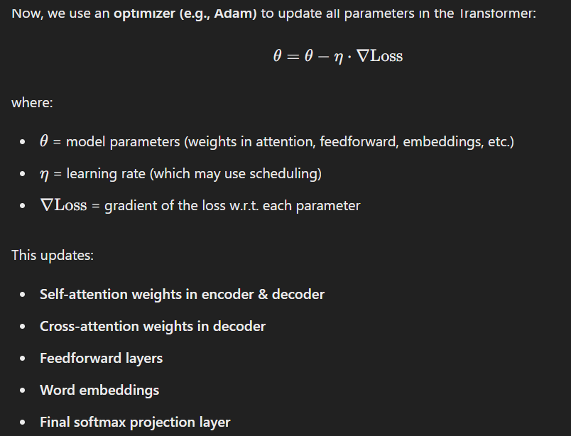
the one with the highest probability to follow <SOS> is "Ti"
INFERENCE, COST FUNCTION

Input sequence = "I love you very much"
Target / Output sequence = "<SOS> Ti amo molto <EOS>"
Input sequence has size = (6, dmodel)
Target / Output sequence has size = (3 + special tokens, vocabsize)
INFERENCE |  | INFERENCE
 |  | Time step 1
 |  |  |  | FEED FORWARD MATRIX cross matrix
INPUT SEQUENCE | TARGET SEQUENCE |  |  | E' cross matrix (output_sequence, vocabsize)
I | <SOS> |  |  | <SOS> | amo | <EOS> | molto | … | Ti | Summation | OUTPUT SEQUENCE
love | Ti |  | <SOS> | 1 | 0 | 0 | 0 | 0 | 0 | 1
you | amo | C1 | y1 - hat | 0.11 | 0.12 | 0.14 | 0.15 | 0.16 | 0.32 |  | Ti |  | 1st logit
so | molto
vocabulary = ["<SOS>", "Ti", "amo", "molto", "<EOS>"]
vocabulary is a list of tokens generated from the target sequence.
much | <EOS>
 |  |  | <EOS>

 |  | Time step 2
 |  |  |  | FEED FORWARD MATRIX cross matrix
 |  |  |  | E' cross matrix (output_sequence, vocabsize)
 |  |  |  | <SOS> | amo | <EOS> | molto | … | Ti | Summation | OUTPUT SEQUENCE
 |  |  | <SOS> | 1 | 0 | 0 | 0 | 0 | 0 | 1
 |  | C1 | y1 - hat | 0.11 | 0.12 | 0.14 | 0.15 | 0.16 | 0.32 | 1 | Ti |  | 1st logit
 |  | C2 | y2 - hat | 0.1 | 0.6 | 0.1 | 0.1 | 0 | 0.1 | 1 | amo |  | 2nd logit

 |  |  | <EOS>

 |  | Time step n |  | …......... Repeats 'til <EOS>

 |  |  |  | TARGET MATRIX (ONE-HOT)
 |  |  |  | (output_sequence, vocabsize)
 |  |  |  | <SOS> | amo | <EOS> | molto | … | Ti | Summation | OUTPUT SEQUENCE
 |  |  | <SOS> | 1 | 0 | 0 | 0 | 0 | 0 | 1
 |  |  | y1 - true | 0 | 0 | 0 | 0 | 0 | 1 | 1 | Ti |  | 1st token
 |  |  | y2 - true | 0 | 1 | 0 | 0 | 0 | 0 | 1 | amo |  | 2nd token
 |  |  | y3 - true | 0 | 0 | 0 | 1 | 0 | 0 | 1 | molto |  | 3rd token
 |  |  | <EOS> | 0 | 0 | 1 | 0 | 0 | 0 | 1
COST FUNCTION

 |  |  |  | FEED FORWARD MATRIX cross tensor |  |  |  |  |  |  |  | TARGET MATRIX (ONE-HOT)
 |  |  |  | E' cross matrix (output_sequence, vocabsize) |  |  |  |  |  |  |  | (output_sequence, vocabsize)
 |  |  |  | <SOS> | amo | <EOS> | molto | … | Ti |  |  | <SOS> | amo | <EOS> | molto | … | Ti
 |  |  | <SOS> | 1 | 0 | 0 | 0 | 0 | 0 |  | <SOS> | 1 | 0 | 0 | 0 | 0 | 0
 |  |  | y1 - hat | 0.11 | 0.12 | 0.14 | 0.15 | 0.16 | 0.32 |  | y1 - true | 0 | 0 | 0 | 0 | 0 | 1
 |  |  | y2 - hat | 0.1 | 0.6 | 0.1 | 0.1 | 0 | 0.1 |  | y2 - true | 0 | 1 | 0 | 0 | 0 | 0
 |  |  | y3 - hat | 0.1 | 0.1 | 0.1 | 0.5 | 0.1 | 0.1 |  | y3 - true | 0 | 0 | 0 | 1 | 0 | 0
 |  |  | <EOS> | 0 | 0 | 1 | 0 | 0 | 0 | each y - data | <EOS> | 0 | 0 | 1 | 0 | 0 | 0

This is called "teacher forcing". The decoder input is not one token at a time step.
E.g. Decoder Input → [<sos>, Je, suis]
Target Labels → [Je, suis, faim]
Input is shifted to the right. Basically we are trying to teach the model to predict next token using Decoder input. Example, predict "Je" given "<sos>", predict "suis" given "<sos> Je", and so on. We are trying to teach the model that after this token, this token should follow.
 |  |  | tokens | P(y1 - hat)
 |  |  | <SOS> | 0.11
 |  |  | amo | 0.12 |  |  |  |  |  | INFERENCE (Pre - training)
 |  |  | <EOS> | 0.14
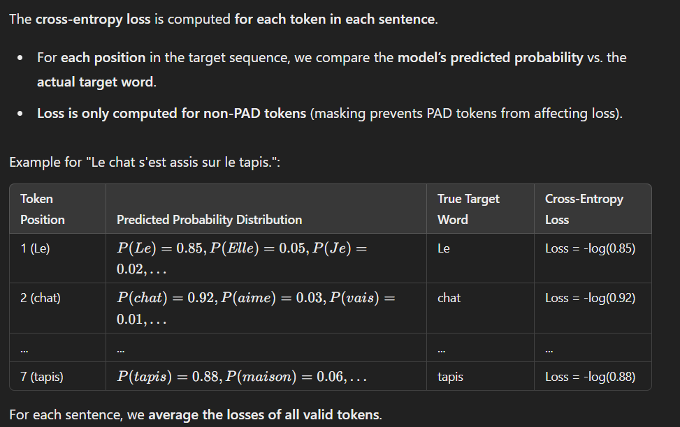
 |  |  | molto | 0.15
 |  |  | … | 0.16
 |  |  | Ti | 0.32

suppose in each batch, we process 64 sentences in each batch, a sentence with max 8 tokens, and determined our vocabulary is 50,000 tokens
(batch_size = 64, seq_len = 8, vocab_size = 50k)

 |  |  |  |  |  |  |  |  |  |  |  |  |  |  |  |  |  | BACKWARD PASS
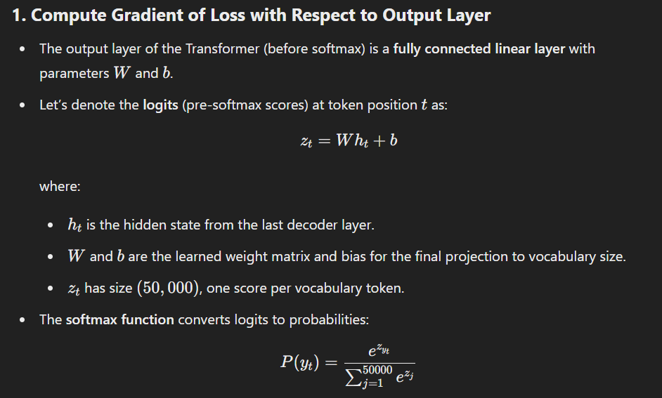

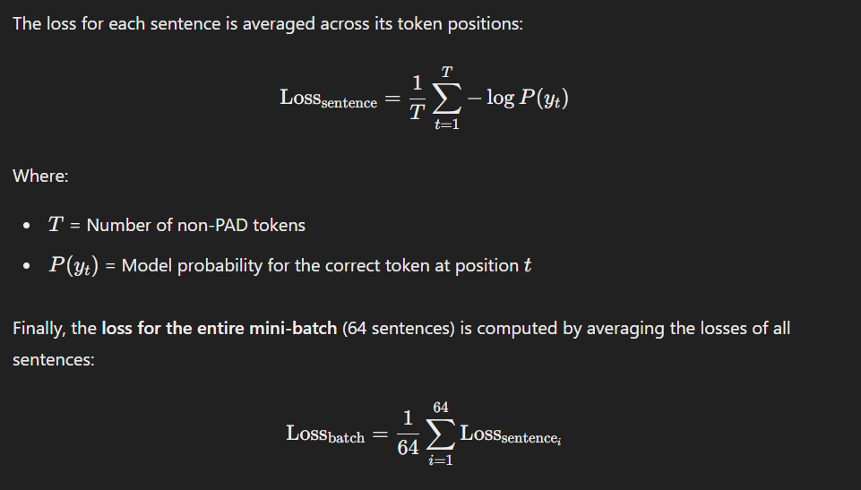

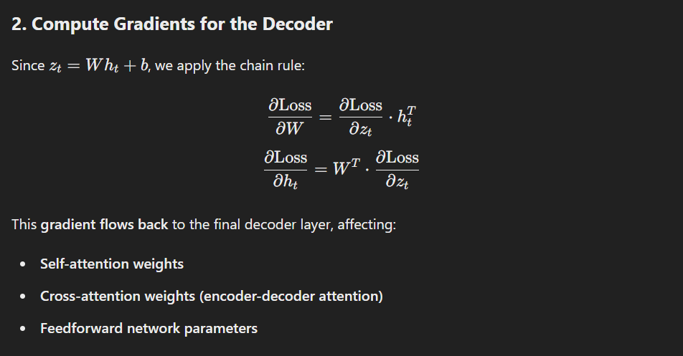

At the end, you have a scalar value for loss after the batch is processed. This loss is passed for gradient computation and parameter updates.

